Atmosphere
Greenhouse gases in CO2 | strenght | concentration (ppm) | influence on greenhouse effect | SUM | Tempreture without atmospheric effects (calculated) | 247.19620159
H20 | 0.72 | 18000 | 95.43% | 13580 | Average tempreture measured (without radiation effect) | 300
CO2 | 1 | 360 | 2.65% |  | Solar constant (calculated) | 1365.9872404
CH4 | 20 | 1.7 | 0.25% |  | Greenhouse reflection | 0.79629670832
O3 | 2000 | 0.082 | 1.21%
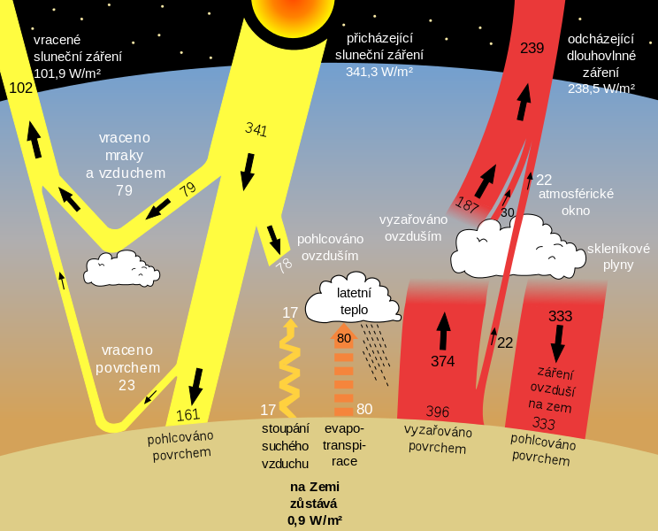
NO2 | 200 | 0.31 | 0.00%
Works only for troposphere!!!
 | Albedo | 0.38

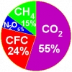

Sun temperature | 5778 | K
Astronomical unit | 149597871000
Bolz. Const | 5.67E-08
Sun radius | 695508000

Temperation regulation
 | Ground temperature approximation |  | All values must be written in decimals!!! |  |  |  | Declanation |  | Height at the moment
 |  |  |  | Real soil temperature | 305.72626166 | K | 23.371816012 |  | 71.32
Month | Day | Time | Latitude | Temperature measured | Soil heat capacity (depends on dignity) |  | Sun height angle
6 | 26 | 13.33 | 38.66 | 320 | 2000 |  | 74.711816012 |  | Energy of m2 for all the time before mesuring
 |  |  |  |  | Soil density |  |  |  | 15920569.377 | J
 |  |  |  |  | 920 |  | Rise-Set time
 |  |  |  |  |  |  | 14.696817359 | h

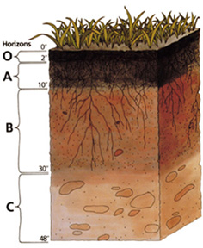
 |  |  |  |  |  |  | Sun rise: |  | Function const (Hf on 0,12 to 1)
 |  |  |  |  |  |  | 5.65 | h | 8.6524833569
 | Summer time | YES |  |  |  |  | Sun set: |  | 14.273738344
 |  |  |  |  |  |  | 20.35 | h
 |  |  |  |  |  |  |  |  | The depth of the ground in this interval is stable on longer time scales. (It is represented by hypecbolic function, this information may help to the math nerds…)
Měrná tepelná kapacita určí ohřev půdy
ČSN 730581

